Module 22
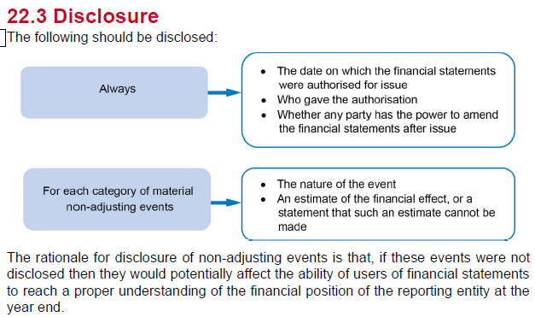
Main
 | Module 22 - Events after the Reporting Period

 | Post balance sheet events

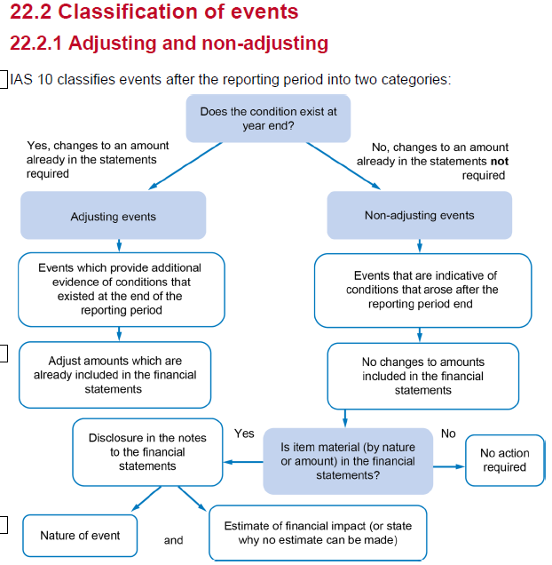

 | basically any material post year event needs to be disclosed.
 | don asjust the accounts buy add in a disclosure and estimate the value

 | Examle
 | 1 - would need to know if the impairment is material or not
 | 2 - If material
 | 3 - no - normal course of business. Doesn't affect the numbers issued at year end
 | 4 - if material
 | 5 - no - does not impact the numbers reported at year end
 | 6 - major restructuring - no
 | 7 - tax change - no disclosure
 | 8 - yes - would definitely have to disclose a fraud meaning the accounts are materially mistatedd

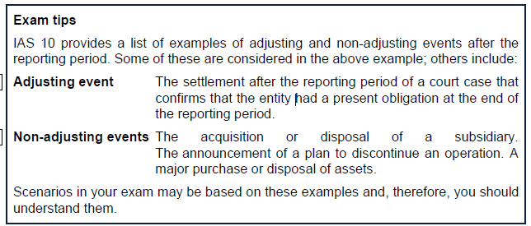

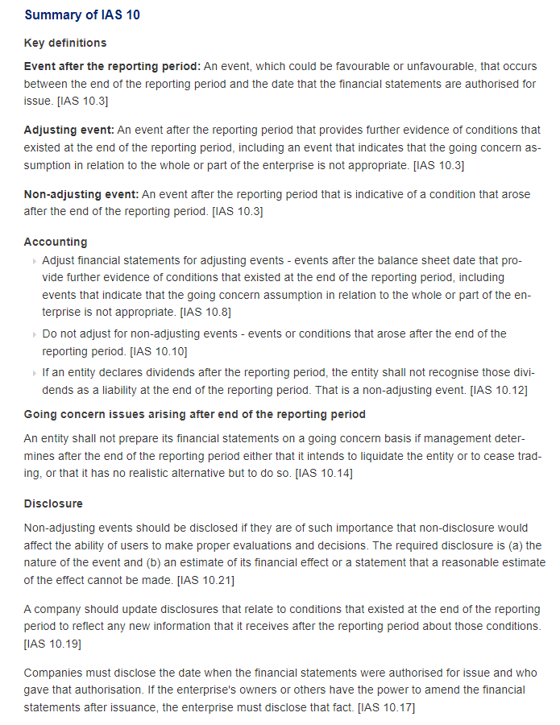

 | dividends declared post balance sheet should not be adjusted for
 | dividends declared post balance sheet and pre-FS date should be disclosed in the notes

